SAP Coispi report
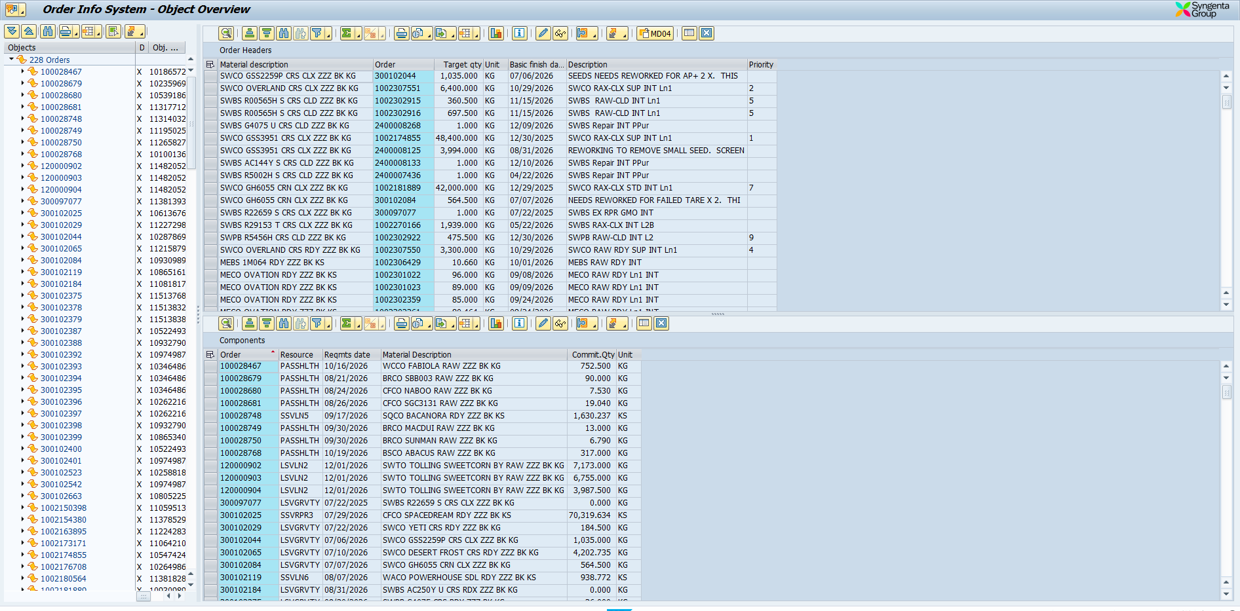

Data Shuttle interface image
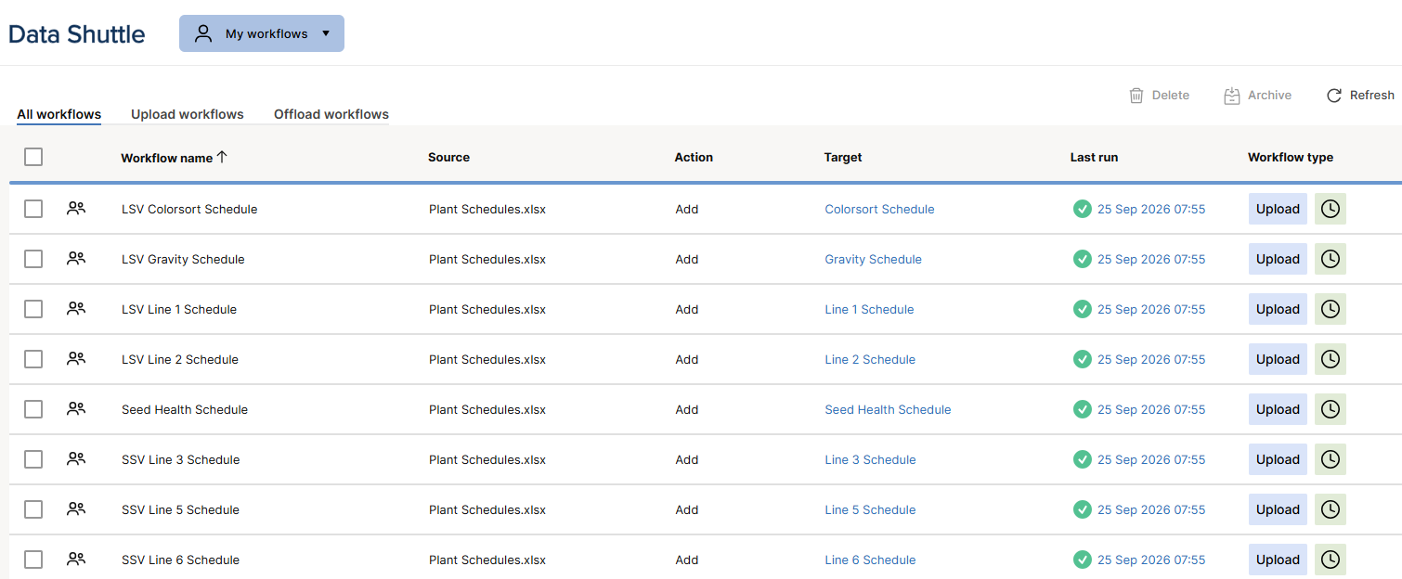

Large Seed Conditioning
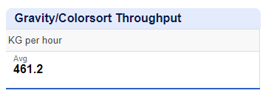
2026 throughput data for Large Seed Conditioning

